Identify Flowcharting Symbols
The following symbols are commonly used in program flowcharts to visually represent processes and decision points. Please identify these symbols and provide a brief description of their purpose in flowcharting. (5 Points)

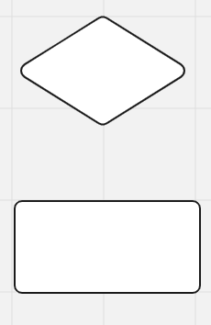
 | Symbol Name | External module call | Symbol Name | Decision
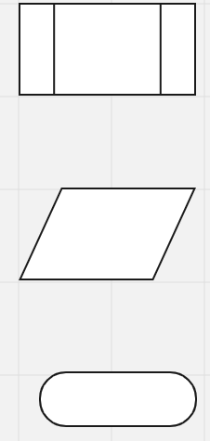
 | Calls an external or pre-defined process. |  | Represents making a decision.

 | Symbol Name | Input/Output | Symbol Name | Process

 | Symbol that represents input or output. |  | Represents a process or calculation logic.

 | Symbol Name | Terminal

 | Can signify keywords like start or end.

SDLC - Interactive
1The Software Development Life Cycle (SDLC) is a structured process utilized for designing, developing, and testing high-quality software. It is a methodology that outlines the comprehensive process of software development in a systematic manner. For this assignment enter the name of the SDLC step in the blue boxes by double clicking on the terminal shape
Software Development Life Cycle (SDLC)
Planning
Analysis

Maintenance

Design

2 Name two interactive programming languages.

Testing and integration
1 | Python
Implementation
2 | Javascript

